EDA Summary
APPLICATION TRACKING ANALYSIS - EDA SUMMARY

EDA| 313 Records | Jan - Mar 2026

KEY METRICS |  | BY MONTH
Metric | Value | Month | Applications
Total Applications | 313 | January | 61
Unique Applicants | 281 | February | 205
Repeat Applicant | 30 | March | 15
Payment Sent - Unknown | 24

ROLES APPLIED |  | PAYMENT STATUS
Role | Applications | Status | Count
Virtual Assistant | 112 | Yes | 256
Customer Support/Service | 63 | No | 1
Executive Assistant | 35 | Unknown | 24
Sales & Lead Generation | 18
Not specified | 14
Social Media Manager | 11
Copywriting/Content Writer | 6
Digital Marketer | 5
Data Analyst | 5
Project/Product Management | 4
UI/UX Design | 2
Graphic Design | 2
Video Editing | 1
IT | 1
Design And Creative | 1
Backend Web Developer | 1
Role Applied
Payment Distribution

Applicant Behaviour
APPLICANT BEHAVIOUR ANALYSIS

Repeat Applicants |  |  |  | Summary
Names | Applications | Day | Applications | Metric | Value
Peace Odo Uduma | 3 | Tuesday | 65 | Total Application | 313
Ojo Tolulope Faith | 3 | Saturday | 49 | Unique Applicants | 281
Yakubu Rofiyat Onize | 2 | Wednesday | 44 | Repeat Applicants | 30
Susan Mutie | 2 | Thursday | 37 | Single-time Applicants | 251
Ralia Abarshi | 2 | Monday | 33 | Max Applixation - 1 person | 3
Onyewe Cynthia Ogechi | 2 | Friday | 30 | Most Active Day | Tuesday
Onyejiaka Oluebube | 2 | Sunday | 23 | Peak Week | 5
Applications by Week
Oluwabunmi Alabi | 2
Olorunfemi Ololade Adedoyin | 2
Obasi Chidimma Cynthia | 2 | Week | Applications
Nwokocha Mercy Nmabundu | 2 | 5 | 65
Nnodim Oluchi Adelyne Madu | 2 | 6 | 39
Nnamene Jecinta Chimezirim | 2 | 7 | 56
Nkoyo Victor Okon-Unknownrechio | 2 | 8 | 80
Mohammed Elizabeth Shadia | 2 | 9 | 26
John Offum Ntanu | 2 | 10 | 14
Ifeosame Mercy | 2 | 11 | 1
Esther Okorodudu | 2
Chelsea Nwoye | 2
Archibong Victor | 2
Anita Uchechukwu | 2
Amos Christianah | 2
Aminat Opeyemi Adejumo | 2
Amina Abubakar | 2
Akindana Deborah | 2
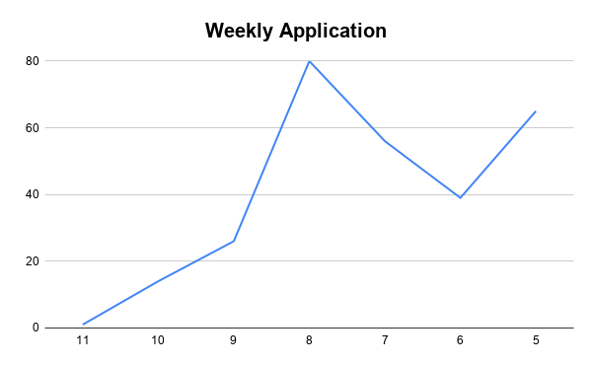
Adumati Ayomide Hannah | 2
Adesola Adedayo-Dada | 2
Adekeye Mariam Oyindamola | 2
Adekeye Mariam | 2
Adaobi Maureen Onwuani | 2
Applications by Day of Week

Application Analysis
 |  | APPLICATION ANALYSIS

METRIC |  | ALL ROLES
Metric | Value | Role | Applications
Total Applications | 313 | Virtual Assistant | 112
Unique Applicants | 281 | Customer Support/Service | 63
 |  | Executive Assistant | 35
 |  | Sales & Lead Generation | 18
 |  | Not specified | 14
 |  | Social Media Manager | 11
 |  | Copywriting/Content Writer | 6
 |  | Digital Marketer | 5
 |  | Data Analyst | 5
 |  | Project/Product Management | 4
 |  | UI/UX Design | 2
 |  | Graphic Design | 2
 |  | Video Editing | 1
 |  | IT | 1
 |  | Design And Creative | 1
 |  | Backend Web Developer | 1
Role Applied

Role Performance
 | ROLE PERFORMANCE ANALYSIS

MOST APPLIED ROLE |  |  | KEY INSIGHTS
Role Category | Applications | % of Total | Insight | Value
Virtual Assistant | 112 | 39.9% | Most Applied Role | Virtual Assistant
Customer Support/Service | 63 | 22.4% | Most Applied Count | 112 application
Executive Assistant | 35 | 12.5% | Most Applied % Share | 39.9%
 |  |  | Least Applied Count | 6 applications
Roles Category | Applications | % of Total | Least Applied % Share | 3.00%
Video Editing | 1 | 0.4% | Total Role Category | 16
IT | 1 | 0.4% | Total Applications | 313
Design And Creative | 1 | 0.4% | Top 3 Roles Combined | 210(74.8%)
Backend Web Developer | 1 | 0.4% | Least Applied Role | 6 applications
Most vs Least Role Applied
ROLE PERFORMANCE COMPARISON
Role Category | Applications | % of Total
Virtual Assistant | 112 | 39.9%
Customer Support/Service | 63 | 22.4%
Executive Assistant | 35 | 12.5%
Sales & Lead Generation | 18 | 6.4%
Not specified | 14 | 5.0%
Social Media Manager | 11 | 3.9%
Copywriting/Content Writer | 6 | 2.1%
Digital Marketer | 5 | 1.8%
Data Analyst | 5 | 1.8%
Project/Product Management | 4 | 1.4%
UI/UX Design | 2 | 0.7%
Graphic Design | 2 | 0.7%
Video Editing | 1 | 0.4%
IT | 1 | 0.4%
Design And Creative | 1 | 0.4%
Backend Web Developer | 1 | 0.4%

Payment Analysis
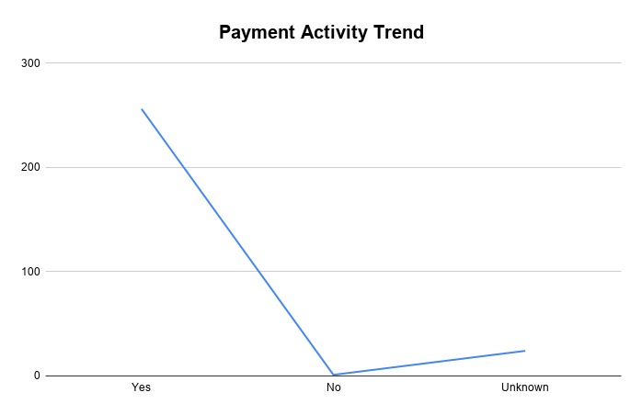
PAYMENT ANALYSIS

Overall Payment Status |  | Percentages
Status | Count | Status | %
Yes | 256 | Yes | 91.1%
No | 1 | No | 0.3%
Unknown | 24 | Unknown | 7.7%

Paid by Month |  | Percentages
Month | Paid | Month | %
January | 61 | February | 73.0%
Febuary | 205 | Janyary | 21.7%
March | 15 | March | 5.3%

Payment Distribution

Trend Analysis
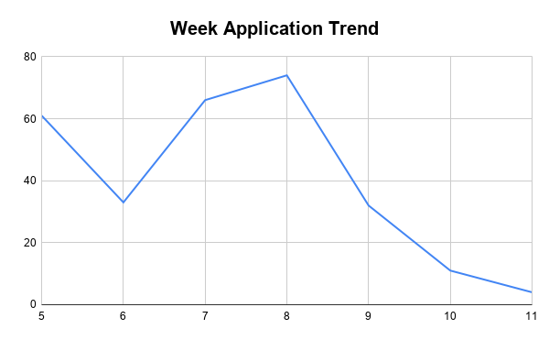
TREND ANALYSIS |  |  |  | TREND ANALYSIS

Engagement by Day
 | Applications
Monthly Applications |  | Weekly Applications
Month | Applications | Week No. | Applications
January | 62 | 5 | 61
February | 205 | 6 | 33
March | 15 | 7 | 66
 |  | 8 | 74
 |  | 9 | 32
 |  | 10 | 11
 |  | 11 | 4
Monthly Application Trend

Dashboard
 | Vivian Okwara | APPLICATION TRACKING DASHBOARD
 |  | JANUARY - MARCH 2026 . PROGRAMME . ANALYTICS

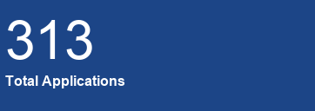
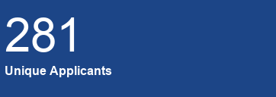



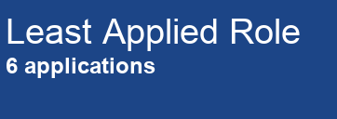
 | FILTERS

 | Role Applied For

 | Days of Week

Trend Over Time
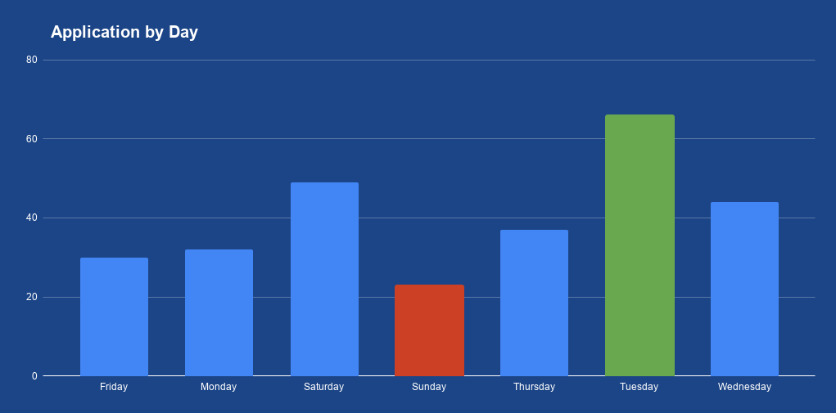

 | Month

 | Payment Status

OVERVIEW
This dashboard provides a
comprehensive analysis of Tech
Programme application data, showing
trends, roles, payment status and key
insights to support data-driven
decisions.

Role Applied
Applications by Week
 | Applications
Payment Status

Data Source: Academy Application Dataset
Period: Jan – Mar 2026
Prepared by: Vivian
Last Updated: June 2026

 | 💡Key Insights |  | 🎯 Recommendations | 📊Conclusion

 | Virtual Assistant leads with39.9% of total applications - the dominant role by a wide margin. |  | Invest more in promoting high-performing roles, especially Virtual Assistant tracks. | The data shows strong overall interest in the Tech Programmes with clear role preferences and weekly
 |  |  |  | patterns. Virtual | Assistant and Customer Support roles together account for over 62% of all applications, confirming
 | Applications peaked in February (205) - over 73% of all activity occurred in one month. |  | Create targeted campaigns for low-performing roles to improve visibility and uptake. | strong demand for support-focused professionals.

 | Tuesday is the most active day with 65 applications, followed by Saturday (49). |  | Schedule communications on Mondays and Tuesdays for maximum reach and engagement. | February dominates application activity with 73% of submissions, suggesting a concentrated intake window that can be
 |  |  |  | extended with strategic mid-year promotions. With a 91.2% payment compliance rate and mostly unique applicants, the
 | Repeat applicants are minimal (10.6%), indicating high unique applicant engagement. |  | Follow up on 30 Unknown payment records to confirm or update their status. | programme demonstrates strong participant commitment.

 | UI/UX Design ,Graphic Design, Video Editing,IT, Design And Creative,and Backend Web Developer |  | Stagger promotional campaigns across January-March to avoid a February-only spike. | Leveraging these insights will improve role positioning, marketing efficiency, and overall application growth.
 | have the lowest uptake - urgent visibility needed.

